Sheet1
INFORMATION SYSTEM ORGANISATION(ISO)
CPO9 - 4TH SEMESTER
sl.no | Question | Answers
LESSON - 1 : Organisations and Information Systems
1 | what is an Organisation? | An organization, or organisation, is an entity – such as a company, an institution, or an association – comprising one or more people and having a particular purpose. The word is derived from the Greek word organon, which means tool or instrument, musical instrument, and organ. Eg : Amazon,Tcs,Nttf...etc
2 | Draw a diagram for organisational hierarchy. | 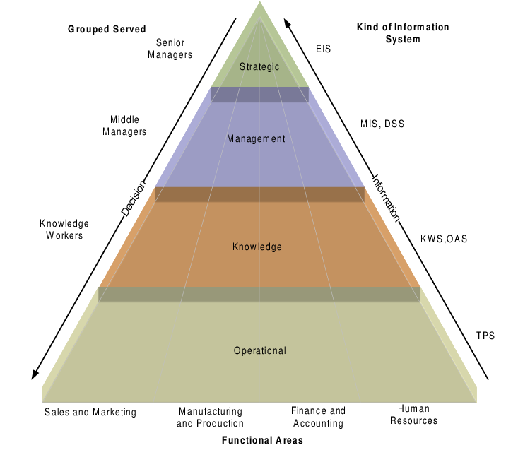
3 | Define data ,information and knowledge with example. | Data is a collection of facts in a raw or unorganized form such as numbers or characters. Eg: Red. Information is the processed or calculated Data. Eg:Traffic signal is red. Knowledge is a familiarity, awareness, or understanding of someone or something, such as facts, skills, or objects. Eg: I have to stop my car.
4 | what is DIKAR model? | The Simple model shows the process by which Data is processed to generate Information which is interpreted to create Knowledge which leads to Action that will drive the business Results.Organizations can also move backwards through this process when they strategize.
5 | Differentiate the activities of senior,middle and operational management? | There are three basic levels of management in an organisation. They are: 1.Senior-Level: -->Senior level or Top level managers are responsible for setting goals,creating plans and supervise the entire organisation. -->preparing strategic plans and policies for the organisation. -->Appointment of executives at central level. Eg: CEO,chairperson of the board,president etc.. 2.Middle-level: -->middle-level managers are responisble for carrying out the goals set by top management. -->they control,motivate and assist first-line managers to achieve business objectives. -->they also communicate upward,by offering suggestions and feedback to top managers. Eg:General Manager,Regional Manager,Divisional manager etc.. 3.Operational-Level: -->Operational-level or lower-level managers are running every work unit in the organisation and carrying out the essential tasks. -->responsible for daily management of line workers - the employees who produce the product or offer the service. -->They are the foot soldiers of the company. Eg:office manager,shift manager,store manager etc..
6 | Draw a diagram for Management Information System(MIS)? | 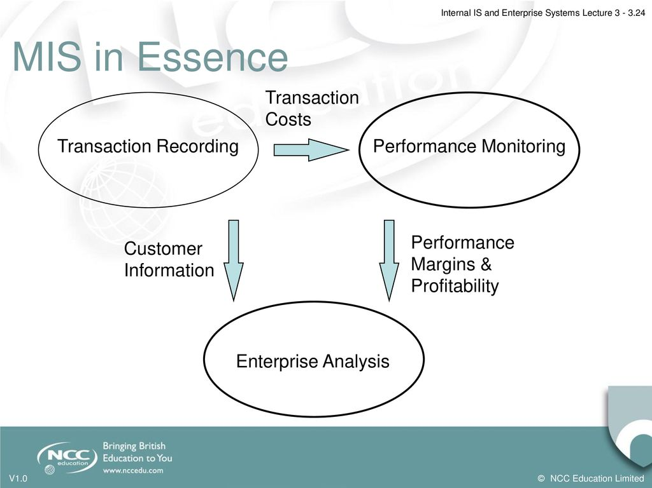 Management Information System (MIS) is the use of information technology,people and business processes to record, store and process data to produce information that decision makers can use to make day to day decisions.The Purpose of MIS is to extract data from varied sources and derive insights that drive business growth.
7 | what are the effects of applied information system in organisation or users? | 1.The impact of IS on user's job and task performance. 2.Impact of IS on user performance. 3.system itself may affect user productivity and perceptions. 4.IS adds value to individual performance. 5.IS impacts on user's tasks,task performance ,time taken to perform tasks and quality of task performed.
8 | what are the organisational impacts while applying IS? | 1.Downsizing - Eg:Stagg Reduction 2.Outsourcing - Passing Individual tasks 3.Restructuring - Organizing Differently 4.Removing Management layers 5.changing and eliminating work processes. 6.changed behaviours - Eg:Information sharing 7.New modes of working - Eg:virtual,home,mobile working,hot-desking...etc
9 | which are the interacting components in IS? | There are five main compenents in Information System. 1.Computer Hardware : Hardware consists of input/output device,processor,operating system and media devices. 2.Software : Software consists of various programs and procedurs that run on computer hardware. 3.Databases : Data are the raw facts and figures.Database consists of data organised in the required structure. 4.Network : Network consists of hubs,communication media and network devices.It has physical devices such as network cards,routers,cables and softwares such as os,webservers,data servers and application servers. 5.Human Resources: people are the endusers who use the information system to rcoed day to day business transactions.The users are usually qualified professionals such as accountants,human resource managers...etc
LESSON - 2 : Social Contexts and Perspectives on IS
1 | what are the different perspectives on different organisations? | An organizational perspective is the way that an organization defines the roles and the personnel that are needed and responsible for given processes within the body of the organization. This would be job descriptions, skills, or educational requirements that are required to hold different positions.Four main Perspectives are mechanist,structuralist,organicist and contextualist.
2 | which are the different persons view on organisation when applying IS? | Each Person has different views depending on how the organisation affects/benefits them Employees view - employment,money,pension,social contact,sources of power,status and career satisfaction. Customers view - goods/services,quality,price Employers view - structure,profitability,brand Society's view - economic,societal and enironmental impact
3 | what are the four typical metaphors? | The four typical metaphors are Mechanist - Organisations as Machines Formist or Structuralist - Organisations as Structures. Organicist - Organisations as Organisms Contextualist - Organisations as Contexts
4 | write the perspectives on mechanist,structuralist,organicist,contextualist?? | Mechanist Perspective • Operation of an organisation can be understood using an engineering approach • Changes can be made by design • Challenges are largely technical in nature • Implementation follows a rational and logical ‘planned project’ approach • Resources and costs can be accurately estimated • Outcomes and benefits can be un-ambiguously evaluated Structuralist (Formist) Perspective • Operation of an organisation can be understood through the description of its structure • Changes can be made by adjusting structures • Challenges relate to getting resources in the right place (structure) • Implementation is an administrative process • Resources and costs can be accurately estimated • Outcomes and benefits can be un-ambiguously evaluated Organicist Perspective • Operation of an organisation is similar to a living being • Changes occur by development and growth in the right environment • Challenges are related to achieving the right environment (internal and external) • Implementation is contingent and involves many factors • Resources difficult to gauge in advance • Outcomes and benefits take time to emerge (grow) Contextualist Perspective • Operation of an organisation can be understood as the result of competing interests and differing interpretations • Changes result from social and political action • Significant challenges are often political in nature • Implementation follows both ‘overt’ and ‘covert’ processes • Resources and costs subject to negotiation • Outcomes depend on who is evaluating them
5 | what do you mean by culture of organisation? | Every Organization has its own culture. Organizational culture refers to a company's mission, objectives, expectations and values that guide its employees. Organizational culture is a vital aspect of any successful business or organization. A positive culture can help attract and retain loyal and committed employees, which, in turn, can strengthen relationships with customers and other partners.
LESSON - 3 : Internal IS and Enterprise Systems
1 | why we want to specialize the organization? | Also known as division of labor, specialization is the degree to which activities or tasks in an organization are broken down and divided into individual jobs.Work can be completed faster and more efficiently due to specialization. Quality control costs are lowered due to specialization. Gives employees a sense of pride and job security due to their specialized skills.
2 | what are the two types of business activities in the context of value creation? | Value Creation : Value creation happens when a business or organization uses its work and resources to create something of value that is sold to a customer base. In turn, the business earns a profit for what it has created and the customers have a want or need fulfilled. • Two types of business activities: • Primary Activities: – deliver the main products/services (marketing, advertising, sales, logistics, etc.) – this is where the Value Creation occurs • Secondary Activities (purchasing, HR management, infrastructure, etc.) – support Primary Activities – often good candidates for outsourcing
3 | what is enterprise system? | Enterprise systems are large-scale software packages that are able to track and control all of the complex operations of a business. These systems are used as a central command hub to help automate the business and make reporting and decision making easier.
4 | what are the advantages by applying enterprise system in the organisation? | The main benefit of an enterprise system is that it makes the jobs of managers and employees easier. These systems automate repetitive business processes so that your staff is more productive. For example, these systems might send sales emails, process employee pay or even place automated inventory orders.
LESSON - 4 : Organisational Strategy and IS
1 | What is Strategy? | A strategy is a long term plan on what to do to achieve a certain goal. Strategy generally involves, setting goals and priorities, determining actions to achieve the goals, and mobilizing resources to execute the actions. A strategy describes how the ends (goals) will be achieved by the means (resources).
2 | Define Business Strategy. | Business strategy (organisational strategy) is the way in which an organisation employs its resources (people, assets and financial) toachieve the long term aim of the business. It determines ‘what it does’ to create value.
3 | Define IT/IS strategy. | IT/IS strategy – Is the way IS/IT is employed within the organisation to support and help achieve the business strategy.
4 | what is the difference between Business strategy and IS strategy? | 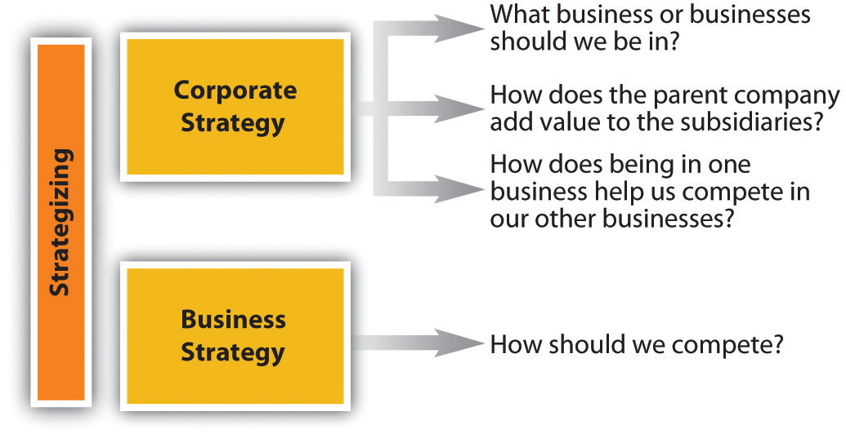
5 | Explain about VMOST. | • Vision – what is our dream and broader wish? • Mission – what are we going to do to get there? • Objectives – specific long term aims/targets and short term objectives • Strategy – plan we implement to achieve objectives including deciding how to use resources • Tactics – implementing the strategy
6 | What are the two basic business strategies based on michael porter? | • Michael Porter considers there to be 2 basic business strategies which are: – Cost Leadership (having the most cost effective products and services) Differentiation (having products/services that are unique or are perceived to be unique – refers to branding)
7 | where we can apply this business strategy by michael porter? | • Further - these can be: – Broadly applied (across a whole market) – Narrowly applied - Focused (concentrating upon specific market niches)
8 | what are the strategy based on treacy and wiersama's? | Expanding the Porter view, there are generally 3 strategies; and it is impossible to do all with equal success so generally one of these is chosen • Strategies (or value disciplines) are: – Customer Intimacy – Product Leadership – Operational Excellence
9 | Explain Customer Intimacy,product leadership and operational excellence? | • Customer Intimacy – Knowing and understanding the customer, their requirements and buying habits – Understanding customers business and selling products and services that anticipate and meet their needs. • Product Leadership – Concentrating upon innovation and brand development – and being known for it – Operating in dynamic and developing markets – Having new and innovative products and services • Operational Excellence – Concentrating upon efficiency of internal operations/processes and supply chain – Striping out costs wherever possible and yet maintaining quality whilst offering competitive prices
10 | CSF stands for_________ | Critical Success Factor
11 | KPI stands for__________ | Key Performance Indicator
12 | CPI stands for__________ | Consumer Price Index
13 | Explain csfm in detail?
14 | What do you mean by objective? | OBJECTIVES -- What are we aiming to do in business terms? A business target – for example expressed in terms of growth, market position, reputation, profitability, shareholder value etc. Eg : To be number one in market share by volume
15 | What is strategy? | STRATEGY -- How do we intend to meet objectives? A method of competing, for example based upon cost, differentiation, focus etc Eg : Cost leadership in the market
16 | Define CSF. | CRITICAL SUCCESS FACTORS -- What must be right if we are to execute our strategy? We must be able to say that we have achieved all of our CSF s.. Examples, customer satisfaction, cost leadership Eg : 1. Lowest priced product in the market 2. Gain market share
17 | what is KPI? | How will we know that our CSF s are being achieved? A performance measure Eg : 1. Average price ranking against competitors 2. Cumulative market share
18 | What is CIS? | CRITICAL INFORMATION SET -- What information is needed to provide our KPIs? *Internal - Needed to compute *External - the KPIs
19 | SIA stands for_________ | Strategic Information Alignment
20 | what is emergent strategy with example ? | A strategic organization is deliberate in defining its direction.An emergent strategy is a pattern of action that develops over time in an organization in the absence of a specific mission and goals, or despite a mission and goals. Emergent strategy is sometimes called realized strategy. Eg : The Honda salesmen in USA suggested to the management that it would be better if Honda motorbikes are sold through the department stores rather than the dealers. The management accepted this suggestion,and sales went up substantially after they did so. It was a case of emergent business strategy
LESSON - 5 : Evaluating IS
1 | what are the cost of IS with respect to tangible? | Costs of the technology: – Capital cost of development or purchase – Cost of implementation (project costs) • Costs of the resources to run it: – Hardware – Network – Software – Service and support – Staffing
2 | what are the benefits of IS with respect to tangible? | Benefits (related to IS/IT) – Reduce fixed costs of IS/IT service – Reduce management overhead • Benefits to the organisation – Increased efficiency in processes (automation) – Increased quality with reduced costs – Increased activity (sales per unit of resource) • (essentially PRODUCTIVITY benefits)
3 | Why IS effects are variable ? | • There is no simple relationship between IS/IT investment and productivity • In some cases (e.g. healthcare, social work) productivity is difficult to measure • In some cases (e.g. electronic design, retailing) measuring productivity is easier but outcomes can be difficult to interpret • A late 1990’s study of banks in the US documented a large variability in return on IT investments
4 | What are the costs of IS in the case of intangible ? | • Opportunity costs – Should we be doing something else? – Overhead of running IS/IT • Management costs – Management time and attention – Governance and process improvement • Risk/Innovation costs – Obsolescence is not predictable – ‘Game changing’ innovations can be risky ideas
5 | What are the benefits of IS with respect to intangible ? | • Benefits to the organisation - Improved communications & staff morale - Reputation (quality and branding benefits) - Increased customer satisfaction (branding) - Flexibility, agility and productivity - Organisational learning • Intangibles – implicitly ‘un-measurable’ • A management judgement is needed to weigh intangible benefits
6 | Who evaluate IS in the organisation ? | • Business managers – they understand the situation • IS/IT managers – they have technical responsibility • IS/IT users – their working knowledge is vital • External consultants – their advice is invaluable • External auditors – for fair appraisal • Auditors – they understand the process
7 | What is the purpose of IS evaluation ? | • Perspectives and aims – To measure tangible costs and benefits – To endorse success – To investigate failure – To identify good practice – To improve implementation process • Overt and covert motivations may exist
LESSON : 6 – Cultural, Structural and Political Aspects of IS
1 | How IS ability affect the structure of the organisation? | • Consider the mechanist/structuralist perspective on organisations • IS and Technology can clearly affect the way an organisation is structured (organisational hierarchy) and the way things are done (processes) • Automation of existing tasks → more efficient tasks, speeding up of processing, current/accurate information
2 | How Is affects the Organisations(TOP)?
3 | How IS affects on decesion making if it is a centralized organisation? | Centralised • Optimised • Takes (some) time • Planned • Inflexible • Meets organisational requirements • Organisational efficiency
4 | Differentiate between centralized and localised organisation? | Centralised • Optimised • Takes (some) time • Planned • Inflexible • Meets organisational requirements • Organisational efficiency Distributed • Sub-optimised • Greater immediacy • Reactive • Flexible • Meets environmental requirements (local market) • Local effectiveness
5 | what are politics in Organization? | • People’s behaviour in an organisation has a political nature • Job roles, processes and organisational relationships have real and important effects upon people’s lives • Power, influence, position, or simply feelings of worth can affect the political environment – sometimes negatively • ...this leads to political motives and actions
6 | write the difference between old and new organisation? | Old organisation - There are rules/ways of working, but difficult to find these documented anywhere. The usual way of finding the accepted ways of doing a task is to find a particular named person and talk to them. – New organisation - There are rules/ways of working, and these are accessible from the desktop of your PC via the intranet.
7 | What gidden theory suggests? | Giddens Theory suggests: – Individuals and social structures are inter-related – Structures are produced by the acts of people – Social structures are: traditions, moral codes, ways of doing things – Social structures can be changed, modified, reproduced differently
8 | Define bases of power. | Bases of Power 1 • Coercive – Ability to instruct and apply sanctions (by managers and supervisors) • Reward – Ability to direct resources of the organisation in particular directions (by managers/supervisors) • Technical expertise – Having specialist information/skills Bases of Power 2 • Administrative expertise – Control over the operation of particular policies and procedures (by managers/supervisors) • Referent – Consistent with accepted values and culture of the organisation
9 | what is organisational culture? | • Many ways to describe organisational culture – Symbols, Myths, Stories – Structures, Processes, Rules – Behaviours, Values, Attitudes (to technology?) • A whole field of study – complicated and overlaid by ‘national’ culture • “The way we do things in this organisation”
Lesson 7 – People and IS Interpretation
1 | what is the meaning of interpretation in IS? | • We take a consciously contextualist approach in this topic • The processes of keeping information secure reflects how people interpret its value and relevance, as well as its use • Politics and culture also come into play • Structuration is a relevant theory when considering interpretations and norms – and the means by which information is kept secure
2 | what is the use of Interpretation? | • People (both within and outside organisations) will use IS in a way that is meaningful to them • How much they trust the technology with their information will have an effect on the way it is used • Use may not always follow ‘obvious’ function • A good example is ‘internet shopping’: some find it useful, others mistrust the technology
3 | what do you mean by Internet Influence in IS? | • 73% of Internet users use it for research before purchasing • Used at every stage of the process including checking details and price • Consumers use the Internet to get informed about sources of products - Online research and experience translates to off-line purchases • ....no simple relationship between Internet use and purchasing habits (Chaffey 2007, p155) cited by Boddy, Boonstra and Kennedy (2008)
4 | How the sharing information affects in IS? | Attitudes, norms and rules about sharing information also differ between people and organisations • Contrast people who are happy to use social networking with those not too happy to use it or not interested • In business, attitudes to sharing information and knowledge vary widely
5 | what do you mean by security or privacy of information? | • It is important that information: – Is securely stored – Does not get into wrong hands – Remains private and confidential – Is used for the purpose originally intended – Is removed when no longer required • These are some of the legal requirements that organisations must be aware of and can be found in laws like the Data Protection Act 1998
6 | what are the different types of ethics related to stakeholders?
7 | what are the different types of IS(formal&Informal ? | Formal IS e.g. ERP Accounting Domain of codified law (legal standard) Informal IS e.g. Email Forums ‘Public’ IS e.g. Social Networking Domain of ethics (social standards) Domain of free choice (personal standards)
8 | what are the different types of ethics and stakeholders? | takeholders • Employees • IT Professionals • Shareholders • Suppliers • Customers • Citizens • Creative writers, musicians etc. • Governments Expectations • Transparent policies on surveillance • Policies consistent with IP rights • Acceptable ROI • Fair use of information on products • Secure personal information • Security from misuse of (e.g.) Internet • Payment/Respect for IP rights • Obey the law, no illegal use of IS Boddy, Boonstra and Kennedy (2008), p88 Title of Topic Topic 1 - 1.15 Ethics and Stakeholders 2 Stakeholders • Open source advocates • Hackers Expectations • Software code to be public and freely distributed • Being able to gain access to computer files to alter or copy Boddy, Boonstra and Kennedy (2008), Page 88 Ethical behaviour varies depending on which group you consider

